Sheet1
 | CITIBANK N.A., Acropolis, New Door No.148(Old No.68), Dr. Radhakrishnan Salai, Mylapore, Chennai-600 004. Tamil Nadu GSTIN - 33AAACC0462F1ZB

CITIBANK REWARDS PLATINUM CARD
Statement for Citibank Card Number ************8193
Statement Period: 22 January 2018 to 21 February 2018
Did you know that this statement also contains details on


At a glance
Statement Date:
21/02/18
Total Amount Due:
Rs.8296.00
Minimum Amount Due:
Rs.414.80
Due Date:
12/3/18
Credit Limit:
Rs.80000.00
Available Credit Limit:
Rs.71518.00
Available Cash Limit
Rs.8000.00
Account Summary
Previous balance:
Rs.0.00
Current Purchases & Other Charges:
Rs.8296.00
Current Cash Advance:
Rs.0.00
Last Payments Received:
Rs.0.00
Points Earned:
2839
Update Contact Details
Email id:
KOMALKGUPTA@LIVE.COM
To update your contact details, login to
www.citibank.com/india with your Internet
Password (IPIN) and click on the links
under "Manage your account".
To self-select IPIN (Internet Password)
instantly Click here
Pay Online :
- Citibank Online - E-Pay/NEFT
Highlights
Govt. of India has mandated that all
Credit Card accounts be updated with
Aadhaar. You can do so in 2 simple steps
via Citibank Online or Citi Mobile. To
know more click here
 | Your Reward Points

Convert your big shopping transactions into small, manageable EMIs! Click on the highlighted transaction, login to Citibank Online
and convert into an EMI now! T&C apply.
Note: Please disable popup blocker to allow pop-ups from Citibank India
Detailed Statement
Date | Reference no | Transaction Details | Amount (in Rs)
16/02 | 74568228047 | AMAZON.IN | 2874.00

17/02 | 74056638049 | SHOPPERS CHOICE BANGALOR | 900.00
17/02 | 74100998049 | CAFE COFFEE DAY CUNNINGH | 496.00
18/02 | 74332748050 | DELHI HIGH WAY BANGALOR | 1497.00
18/02 | 74568228049 | PAYTM.COM/PAYTMWALLET | 1360.00

Date | Reference no | Transaction Details | Amount (in Rs)
19/02 | 74568228050 | PAYTM.COM/PAYTMWALLET | 200.00
19/02 | 74568228050 | PAYTM.COM/ELECTRICITY-BIL | 339.00
20/02 | 74332748052 | PAYTM NOIDA | 500.00
20/02 | 74766518051 | AMMAS PASTRIES BANGALOR | 130.00

Invoice Number - 1802210130040684
SAC - 9971; Description - Financial and related services
LOS State - 33-TamilNadu
POS State - 29-Karnataka
Rewards Everywhere, Every time
Your Reward Points Summary
Points earned so far Points earned this month Points redeemed this month Points available for redemption
283902839
Explore the world of Citibank Rewards to redeem from a wide variety of options ^TOP
To know how to redeem your Reward points, Click on REDEEM REWARDS tab on this page
Other offers on your Card:

Shop Online
Food & Beverages Others
Save up to 15%* on dining across
participating restaurants with Citi cards.
Know more.
Choose to pay in easy EMIs at leading
online retailers such as flipkart.com,
homeshop18.com and ebay.in
Pay your Citibank Credit Card bill online
from other bank accounts* at no extra
charges, with the EPay service.Visit
www.citibank.com/india and click on
'EPay'
^TOP
Important Information
The "Available Credit Limit" shown in this statement takes into account charges incurred but not due. Please ensure that
at least the "Minimum Amount Due" reaches us by the "Due Date".
If the minimum amount due or part amount less than the total amount due is paid, interest charges are
applicable (including fresh purchases, if any) on an average daily reducing balance method.
For charges related to your Credit Card, please click here
Under an initiative of the Government of India and the Reserve Bank of India (RBI), to improve functionality and stability
of the Indian financial system, all banks and financial institutions are required to share customer data with Credit
Information Companies (CICs). CICs are repository of information shared by banks, NBFC etc. and they collect,
maintain and provide credit information on all borrowers to financial institutions. To know more about CICs, please click
here.
To know the Voluntary Codes as prescribed by the "The Banking Codes and Standards Board of India (BCSBI)" in any
Indian language of your choice, please click here
As you may be aware that trading in foreign exchange (including through electronic/internet trading portals) is prohibited
under the Foreign Exchange Management Act (FEMA), 1999. Further, the Reserve Bank of India (RBI) has clarified
many a time that remittance in any form towards overseas foreign exchange trading (including through
electronic/internet trading portals or by use of credit/debit cards) is not permitted. RBI has cautioned the public not to
remit or deposit money or utilize credit/debit cards for such unauthorised transactions. The advice has become
necessary in the wake of many unauthorized transactions being conducted by residents that have been reported to RBI.
Accordingly, please take note of the prohibitions on using your credit/debit card for such unauthorized transactions in
contravention to the FEMA & regulations thereunder and that violation(s), if any, would attract penalties or as RBI or the
Enforcement Directorate may initiate against such residents.
In case of non-payment, our Customer Assistance Specialists, engaged through our authorized agencies may contact
you. To view the complete list of our authorised agencies, please Click here
Please note that as per extant RBI regulation, debit from NRO A/c towards settlement of International charges on
International Credit Cards is now subject to below restrictions on repatriation of NRO A/c balances:
A Non-Resident Indian (NRI) or a Person of Indian Origin (PIO) may remit an amount up to USD one million, per
financial year, out of the balances held in his Non- Resident (Ordinary) Rupee (NRO) account, for all bona fide
purposes, subject to payment of applicable taxes in India, if any. Further, any repatriation from NRO A/c is subject to
payment of applicable taxes in India.
We want you to bank safe at all times. You may contact us toll free at 1800 267 2425 and log a complaint with us or
block your card immediately, in case you experience any of the following situations.
. You have lost your Citibank Bank Debit / Credit Card.
. Your Citibank Bank ATM / Debit Card is stuck in the card slot of an ATM.
. You received an alert for a transaction you did not make.
. You used an ATM to withdraw cash and the money is not dispensed
Please click here to read the Most Important Terms and Conditions.
^TOP



^TOP
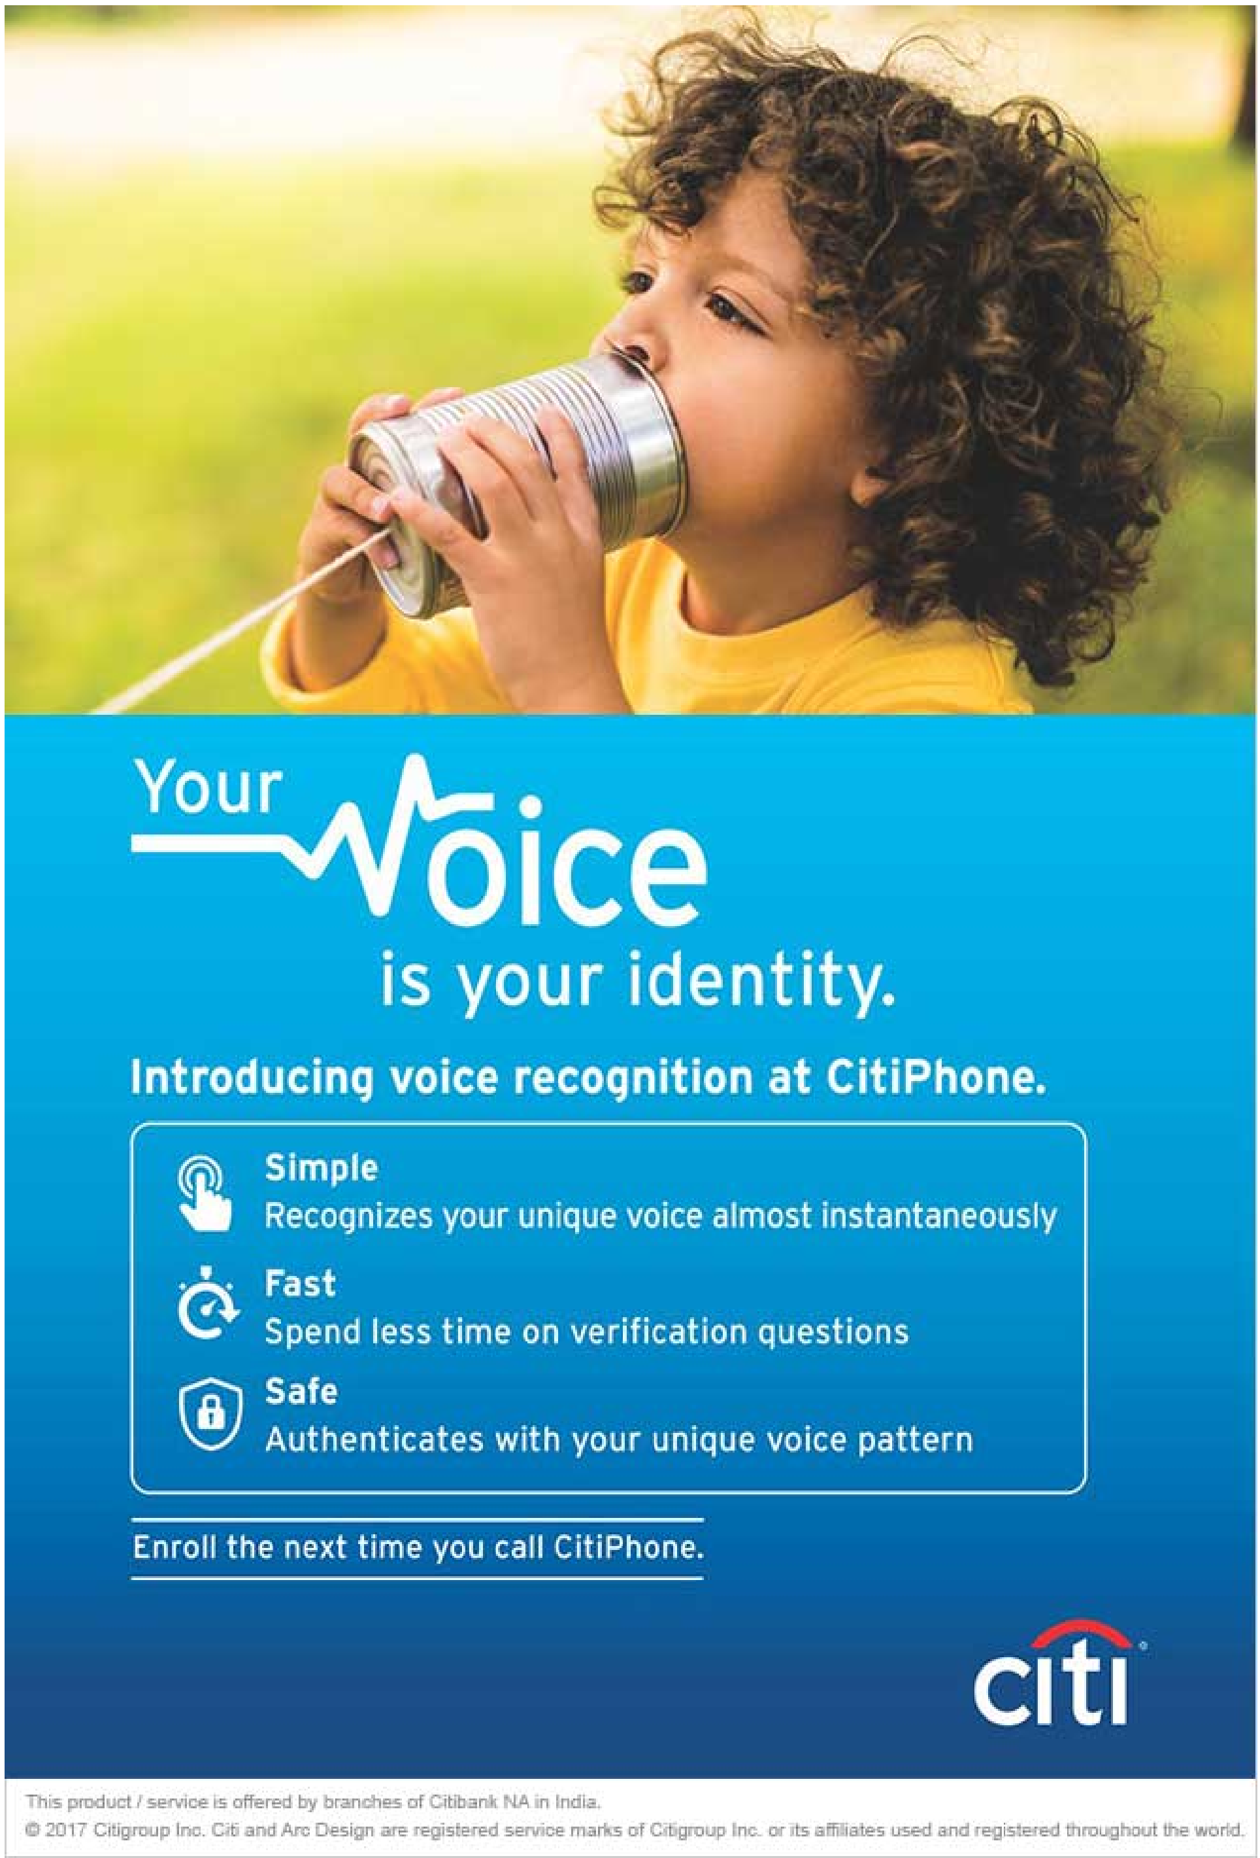

^TOP
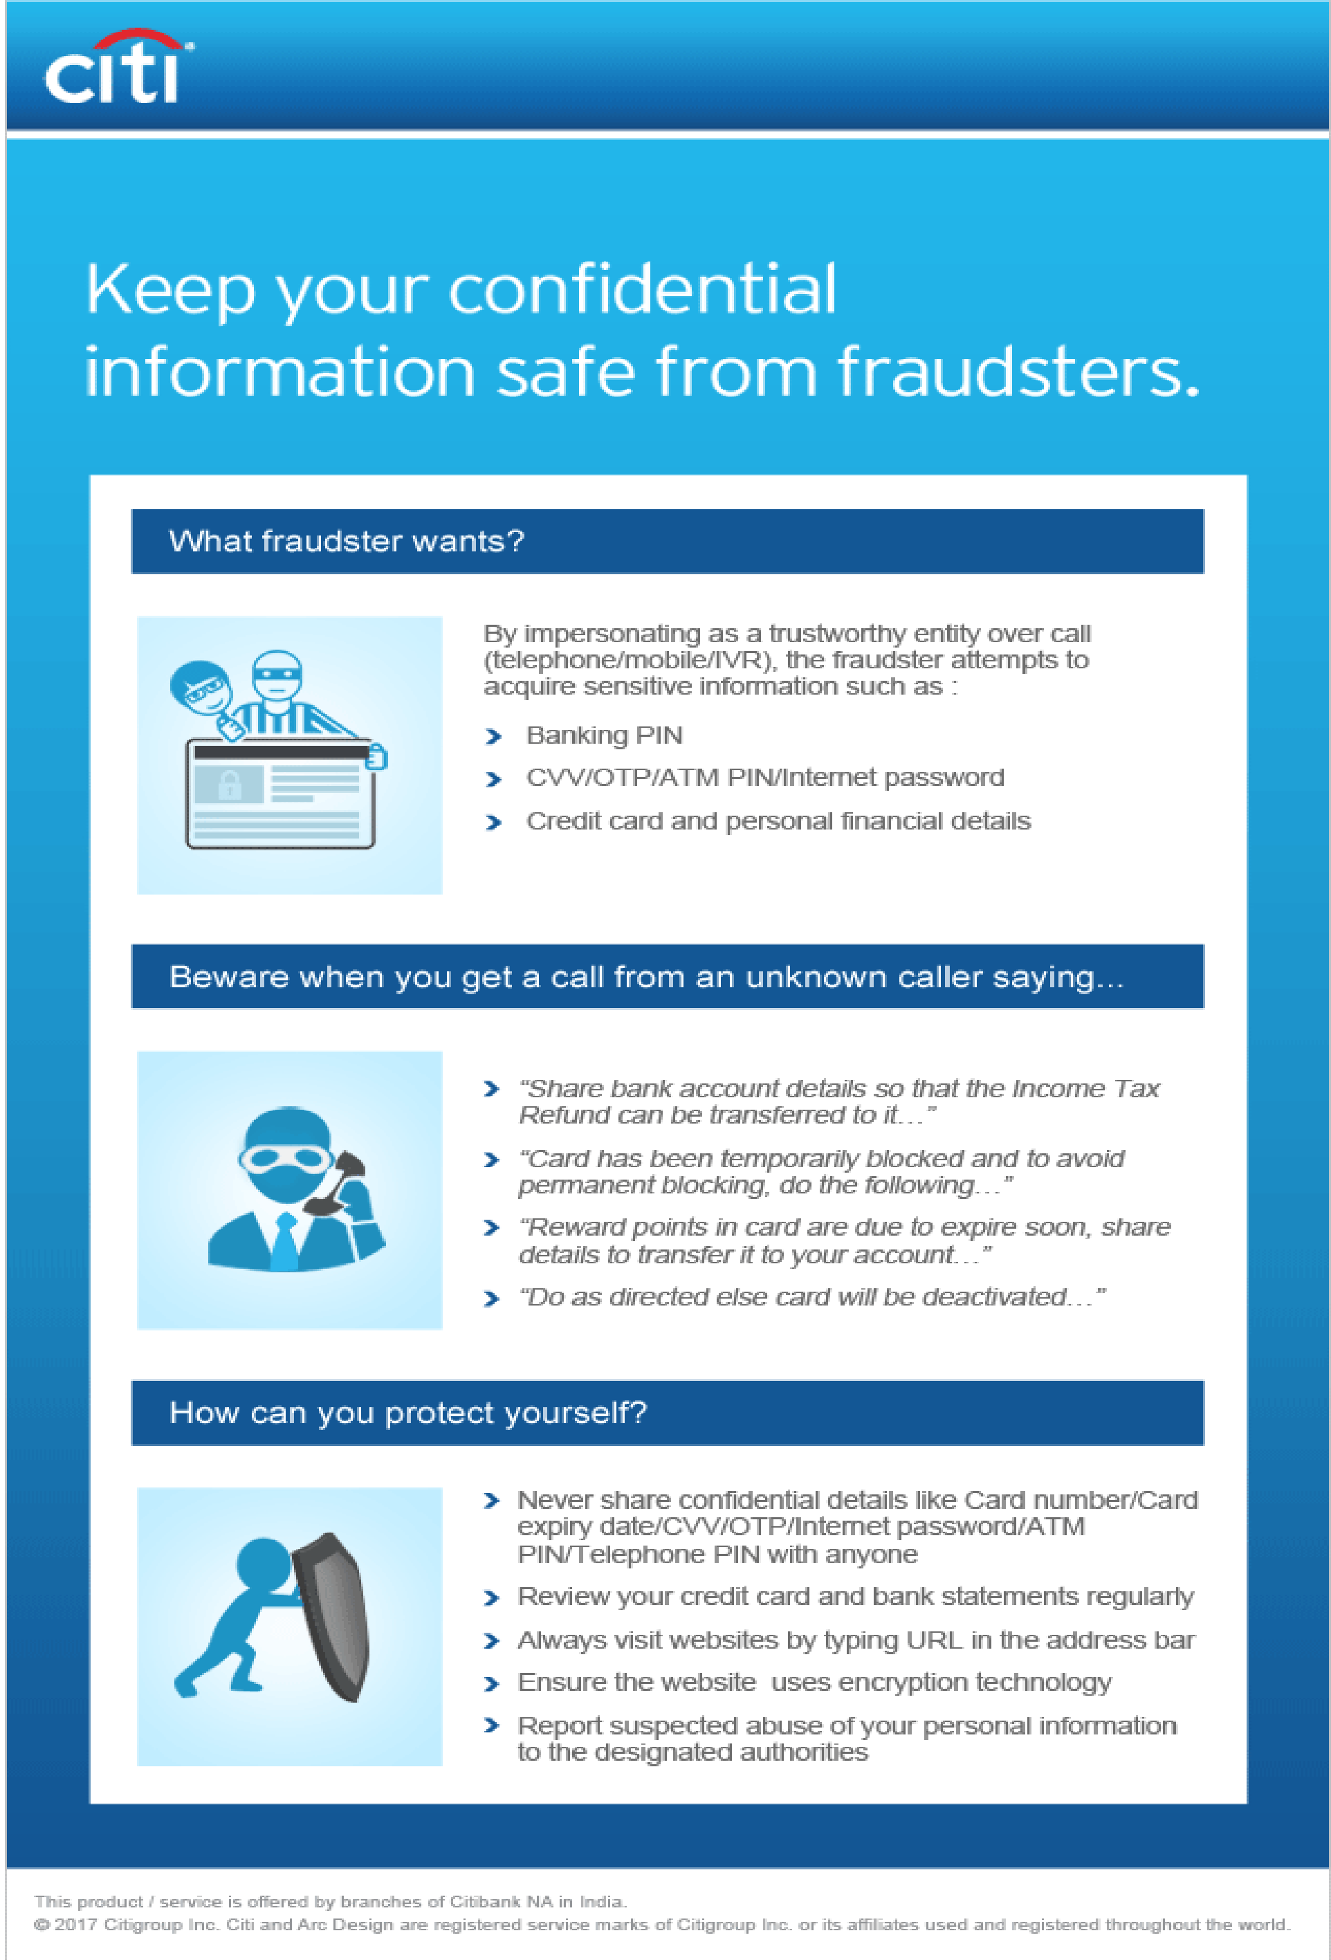

^TOP

